Identify Flowcharting Symbols
The following symbols are commonly used in program flowcharts to visually represent processes and decision points. Please identify these symbols and provide a brief description of their purpose in flowcharting. (5 Points)

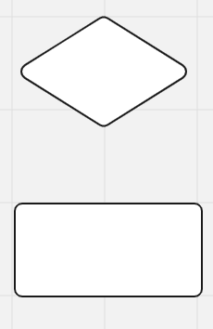
 | Symbol Name | Subprogram | Symbol Name | Decision
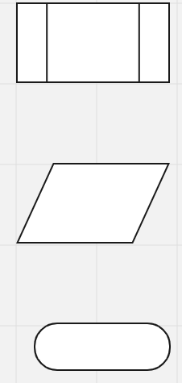
 | References another program within the program |  | Used to split the flowchart sequence into mulitple paths

 | Symbol Name | Input/Output | Symbol Name | Process

 | Used to represent data entry or display by the program |  | An instruction that is to be carried out by the program

 | Symbol Name | Start/Stop

 | Places when the program starts and stops

Programming
Please choose between creating a flowchart or writing pseudocode to illustrate the logic of a program that enables the user to input the number of hours worked per day. The program will then calculate the total hours worked in a week (5 days) and in a year (252 workdays). The final results will be displayed as program output. (5 Points)

Start
Input numberOfHoursWorkedPerDay
TotalHoursWorkedPerWeek = numberOfHoursWorkedPerDay * 5
TotalHoursWorkedPerYear = numberOfHoursWorkedPerDay * 252
Output numberOfHoursWorkedPerWeek
Output numberOfHoursWorkedPerYear
Stop

SDLC - Interactive
1The Software Development Life Cycle (SDLC) is a structured process utilized for designing, developing, and testing high-quality software. It is a methodology that outlines the comprehensive process of software development in a systematic manner. For this assignment enter the name of the SDLC step in the blue boxes by double clicking on the terminal shape
Software Development Life Cycle (SDLC)
6. Maintenance
1. Planning

5. Testing & Integration
2. Analysis

2 Name two interactive programming languages.

4. Implementation
3. Design
1 | JavaScript

2 | Python

